Instructions
Solution Architecture Workbook Template EI 8.0.x
(template version: December 13 2015) LL ref 52339646

Purpose of this document: | This workbook is used to document the target platform architecture of both Enterprise Imaging and IMPAX projects (both new and upgrades). It is a mandatory deliverable in the OG-OF handover process to the implementation teams. Save the file in the format: Solution Architecture Workbook [Project NameXYZ_Ver_N].xlsm and always upload the most recent version to livelink.
How to use this document: | Enterprise Imaging as well as IMPAX platform designs are built on a combination of modular building blocks: one or more mandatory core components (EI DB, CSP, CWP, BI …) and - depending on the application needs and project requirements – one or more optional components (VNA, Teaching Files, Transfer…).
 |  | Step 1.) populate the project overview information and the data production planning tabs
 |  | Step 2.) create an initial version of the synopsis drawing, server, storage and network design (follow the design rules in the documents listed under references and
 |  | Step 3.) use the document during review meetings to reflect changes and always save it under a new version

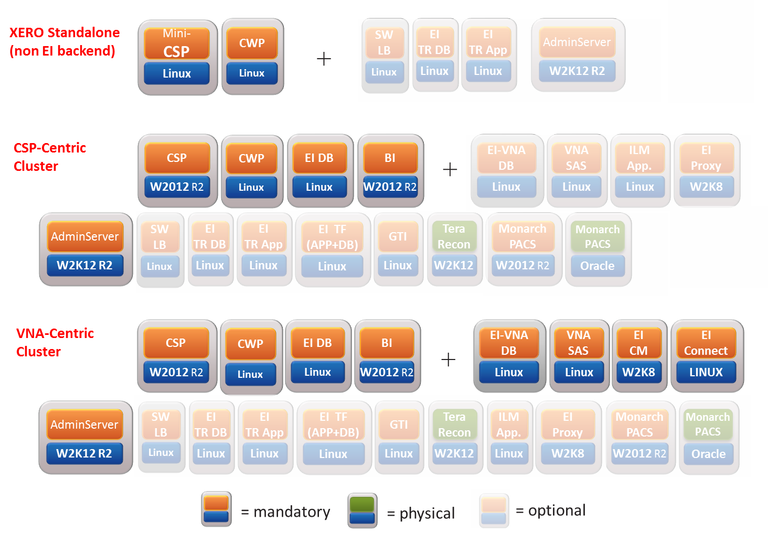
8.0.x EI components (New):
+ Monarch projects

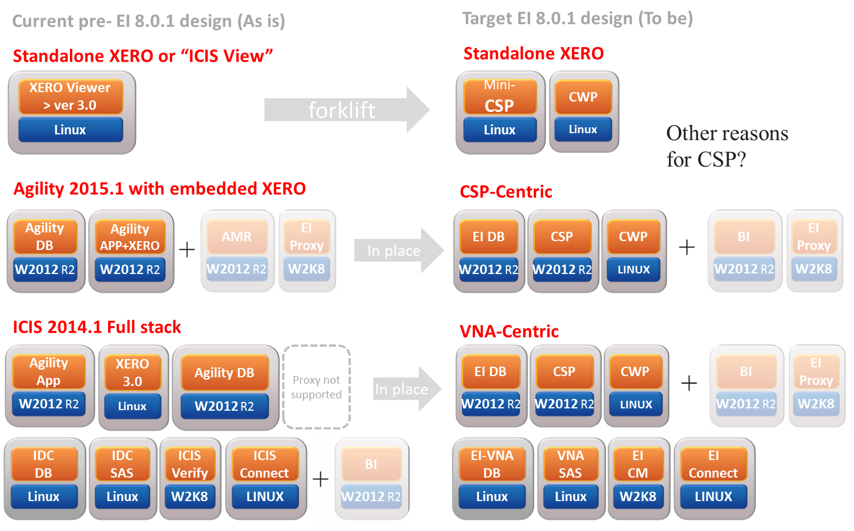
Upgrades

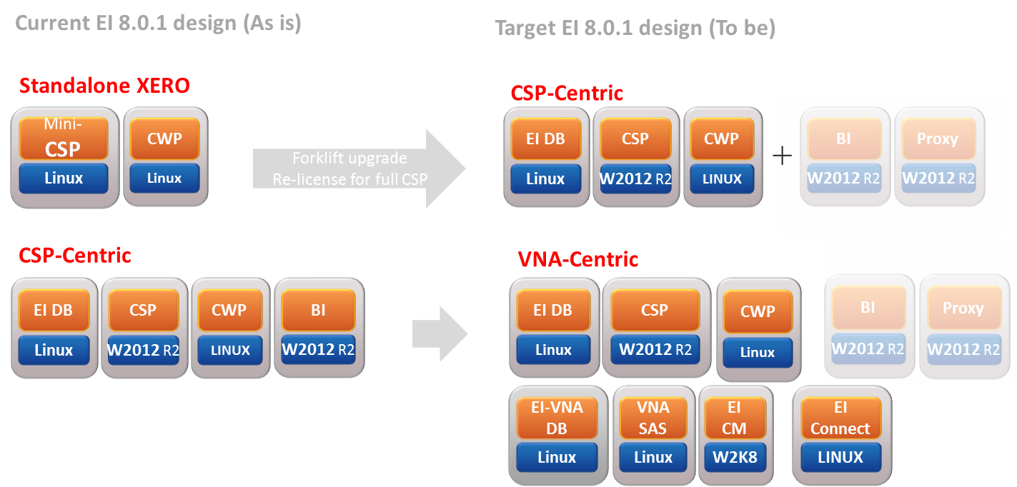
Expansions

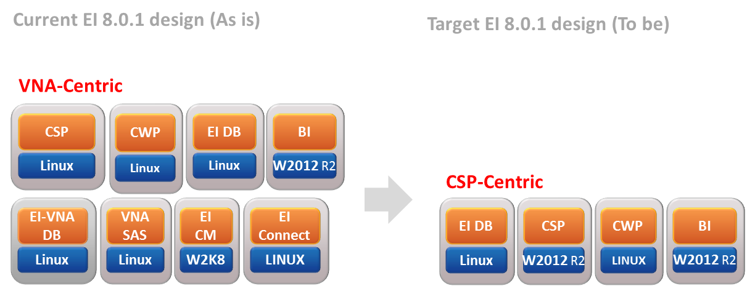
Contractions

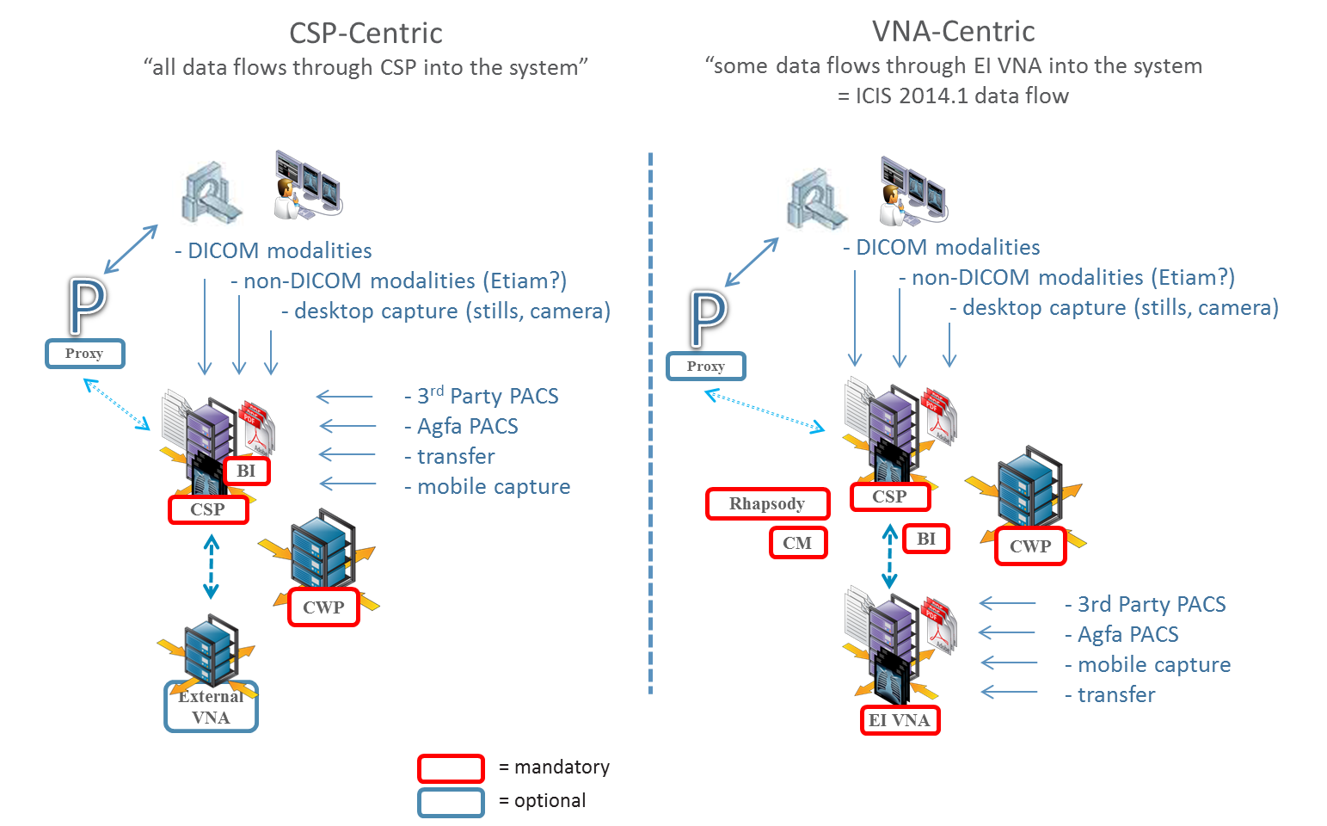
EI Deployment styles

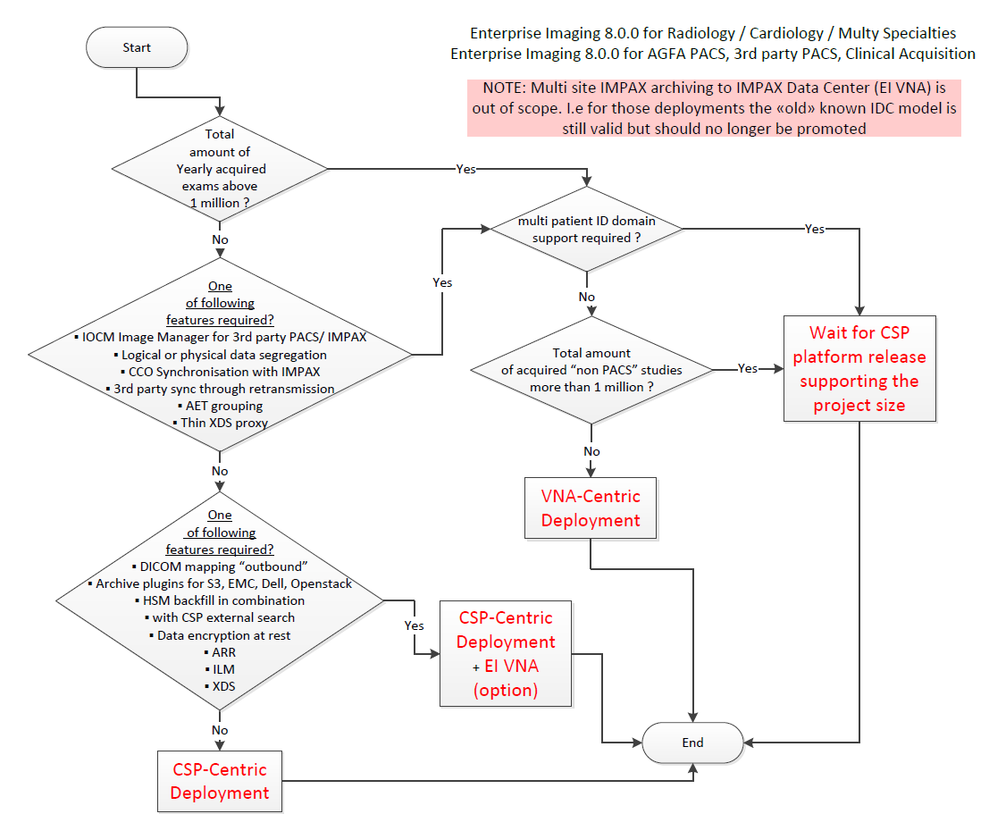
EI Decision Chart

design assumptions
Agfa HC Enterprise Imaging 8.0.x Platform Design Template Configurations

Segmentation | X-Small - Standalone WS =Premium config In SOFON (PDD 7.2) "Guided" | Small - Single Server =Single Server Rack In SOFON (PDD 7.4) "Guided" | Small - Dual Server see PDD Dual Server (PDD 7.4) | Medium - Active -Standby - Dual DC no PDD Ref | Large - Active-Standby - Dual DC no PDD Ref | X-Large - Active-Standby - Dual DC no PDD Ref
Project size | x < 25.000 studies / year | 25.000 < x < 150.000 studies / year | 25.000 < x < 150.000 studies / year | 150.000 < x < 500.000 studies / year | 500.000 < x < 1.000.000 studies / year | 1.000.000 < x < 2.000.000 studies / year
 |  |  | 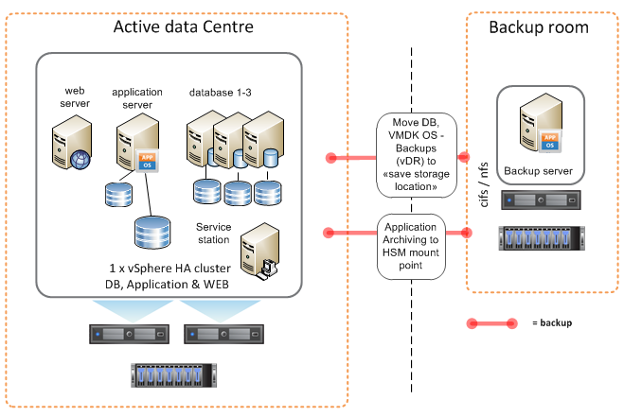 |  |  | 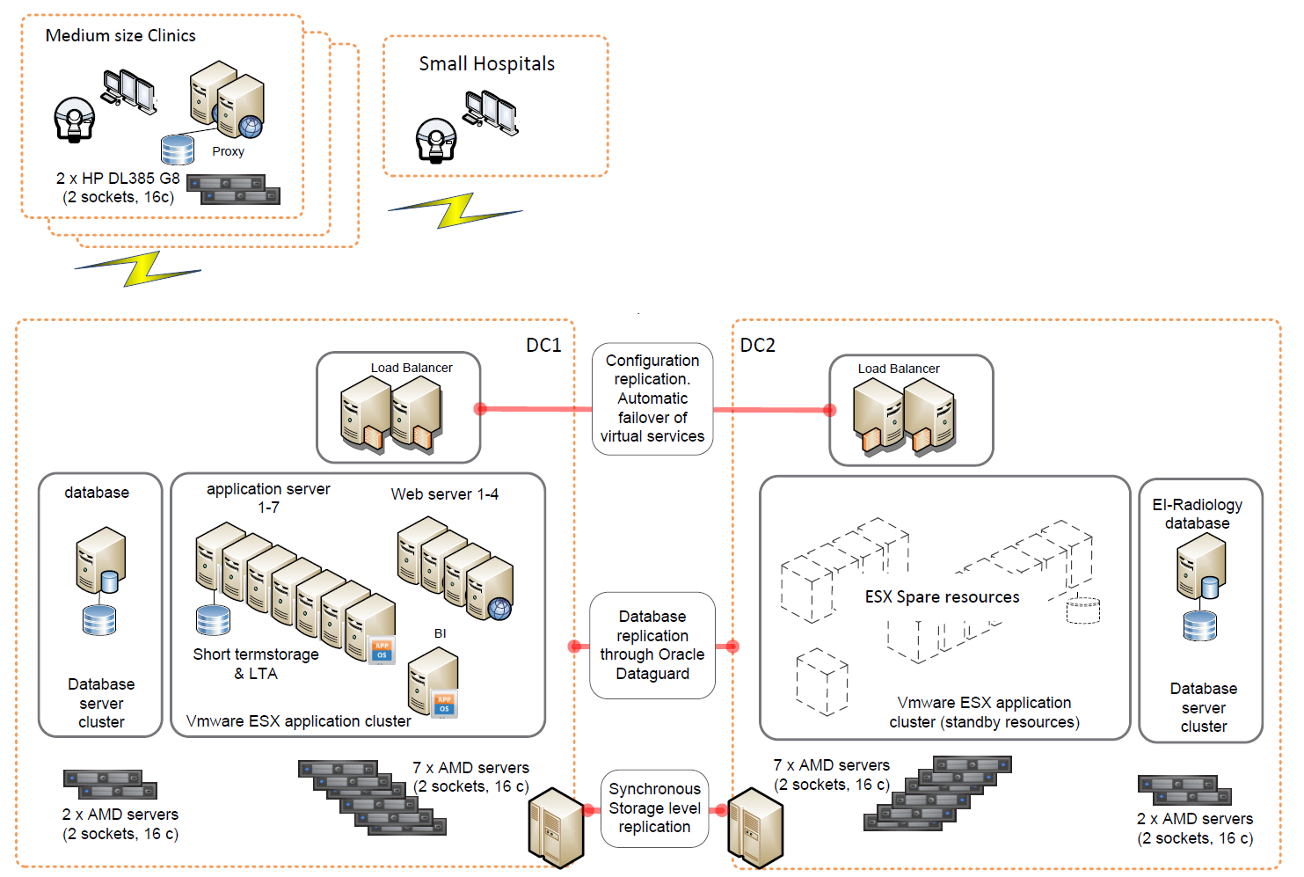
Design | The standalone configuration is a single workstation including a radiologist desktop. It hosts the CSP server, CWP web server, EI database and client components on a native windows Workstation and has a limited cache. | The single server configuration is a single rack server. It hosts CSP server, CWP web server, EI BI and an EI database components on a free Vmware vSphere hypervisor and has a limited cache. | In this configuration, applications are running on two physical servers connected to a central storage based on single application VM's. It hosts BI, Teaching File, CSP, CWP and EI database components on a Vmware ESXi Hypervisor and integrates into a vSphere environment for High availability. Archive data and backups are stored to file locations in the backup room. | In this configuration, applications are running on three physical servers connected to a central storage, but CSP and CWP applications run on more than one VM behind a load balancer. It hosts BI, Teaching File, 3 x CSP, 2 x CWP and EI database components on a Vmware ESXi Hypervisor and integrates into a vSphere environment for High availability in room 1. Room 2 runs an identical vSphere HA environment to provide Business Continuity through Site Recovery Manager. | In this configuration, as opposed to the "Medium" configuration, all database VM's run in a dedicated vSphere ESXi hypervisor HA cluster consisting of two physical servers. Application VM's run in a vsphere ESXi hypervisor HA cluster consisting of three physical servers. Additionally, EI databases are protected by Oracle Dataguard with standby Databases in room 2. Room 2 runs an identical vSphere HA environment to provide Business Continuity through Site Recovery Manager. | See configuration "Large" with following additional components: ▪ upscaled CSP & CWP components ▪ Two dual server HA proxy (<150st/y) ▪ EI VNA (IDC) components (+ ILM)
Supported # of users | ▪ Max. 1 conc. diagnostic users ▪ Max. 3 conc. Non desktop users ▪ Max. 5 conc. Web users (Incl. XTEND) | ▪ Max. 7 conc. diagnostic desktops (Radiologists) ▪ Max. 23 conc. Non Diag. Desktops | ▪ Max. 7 conc. diagnostic desktops (Radiologists) ▪ Max. 23 conc. Non Diag. Desktops | WIP | WIP | WIP
System location | single DC | single DC | Single DC + backup room | dual DC (fully equipped) | dual DC (fully equipped) | dual DC (fully equipped) + 2 proxy
Server High availability | n/a | n/a | vSphere High Availability *) | vSphere High Availability *) | vSphere High Availability *) | vSphere High Availability *)
Database High availability | n/a | n/a | vSphere High Availability *) | vSphere High Availability *) | vSphere High Availability *) | Oracle Database Appliance (RAC)
Archiving | n/a (optionally HSM) | HSM, S&R or local UNC path | HSM, S&R or local UNC path | HSM, S&R or local UNC path | HSM, S&R or local UNC path | HSM, S&R or local UNC path
Backup | only RMAN to local disk. No external backup included | only RMAN to local disk. No external backup included | RMAN, VM's (vDP), image data to backup room (Dedicated server) | RMAN, VM's (vDP), image data to 2nd room | RMAN, VM's (vDP), image data to 2nd room | RMAN, VM's (vDP), image data to 2nd room
Disaster Recovery (DR) | n/a | n/a | Backup Recovery from 2nd room | Backup to 2nd room | Backup to 2nd room | Backup to 2nd room
Business Continuity (BC) | n/a | n/a | n/a | Storage replication, failover to 2nd location, dedicated vCenter cluster per room, Site Recovery Manager (SRM) | storage replication + ODG, failover to 2nd location, dedicated vCenter cluster per room, Site Recovery Manager (SRM) | storage replication + ODG, failover to 2nd location, dedicated vCenter cluster per room, Site Recovery Manager (SRM)
RTO [hours] | n/a | n/a | 8-24 h 1) | <1-2 h 2) | <1 h 3) | <1 h 3)
RPO [hours] | n/a | n/a | 24 h | <1-2 h | <0.5 h | <0.5 h
Uptime [%] | n/a | n/a | ~99 % | ~99.95 % | ~99.99 % | ~99.99 %
Scalability | n/a | n/a | Spare: 0 c, 50 GB (+ addlt srvr + addtl. Storage D2700) | Spare: 25 c, 139,5 GB (+ addlt srvr + addtl. Storage) | Spare: 23 c, 183,5 GB (+ addlt srvr + addtl. Storage) | Spare (apps): 89 c, 571,5 GB (+ addlt srvr + addtl. Storage)
Hypervisor | Vmware guest Hypervisor | 5.5 (ESXi) 5.5 hypervisor | Vmware vSphere 5.5 + vDP | Vmware vSphere 5.5 vSOM, vDP + SRM | Vmware vSphere 5.5 vSOM, vDP + SRM | Vmware vSphere 5.5 vSOM, vDP + SRM Proxy: ESXI free hypervisor only
VMware licenses | 1 x VMFusion 8 Prof [56P88] | n/a | 4 x vSphere 6 Standard [55PQY] 1 x vCenter Server 6 Found. [55PT5] | 12 x vSphere 6 Standard [55PQY] 2 x vCenter Server 6 Found. [55PT5] 1 x Vmware vCenter SRM 6 standard [55PVA] | 16 x vSphere 6 Standard [55PQY] 4 x vCenter Server 6 Found. [55PT5] 1 x Vmware vCenter SRM 6 standard [55PVA] | 40 x vSphere 6 Standard [55PQY] 8 x vCenter Server 6 Found. [55PT5] 1 x Vmware vCenter SRM 6 standard [55PVA]
Server hardware (type, cpu, RAM) | 1 x HP Z440 ( 1 x 8 core CPU 32 GB RAM) Alternative: Dell T5810 | 1 x DL 385p Gen8 (1 socket 16 core CPU 64 GB RAM) Alternatives: HP ML 110 Gen9, ML 350 Gen9, Dell R715, Dell T430 or T630 server | 2 x DL 385p Gen8 ( 2 socket 16 core CPU 128 GB RAM) incl. FC HBA [5UCTA] Alternatives: HP ML 110 Gen9, ML 350 Gen9, DL 385p Gen8 server, Dell R715, Dell T430 T630) | 6 x DL 385p Gen8 (2 socket 16 core CPU 128 GB RAM) incl. FC HBA [5UCTA] Alternatives: HP ML 110 Gen9, ML 350 Gen9, DL 385p Gen8 server, Dell R715, Dell T430 T630) | 4 x DL 385p Gen8 (1 socket 16 core CPU 128 GB RAM) incl. FC HBA [5UCTA] 6 x DL 385p Gen8 (2 socket 16 core CPU 128 GB RAM) incl. FC HBA [5UCTA] | 18 (4+14) x DL 385p Gen8 (2 socket 16 core CPU 128 GB RAM) incl. FC HBA [5UCTA] (Main DC's) 4 x DL 385p Gen8 (1 socket 8 core CPU 32 GB RAM) See Chapter 10.4 PDD
Host Operating system | Windows 8.1 Pro 64-bit OS | ESX | ESX | ESX | ESX | ESX
Oracle licenses | 1 x Oracle SE1 [5VSSA] | 1 x Oracle SE1 [5VSSA] | 2 x Oracle SE1 [5VSSA] | 12 x Oracle SE1 [5VSSA] | 4 server * 16 cores * 0.5 cf= 32 EE [5VSTC] | 4 server * 2 s * 16 cores * 0.5 cf= 64 EE [5VSTC]
Agfa licenses | XERO BASIC 1 CU [55RBD] Core Server Platform [5T1J7] | EI for Clinical Acquisitions ? | t.b.d | t.b.d | t.b.d | t.b.d
OS licenses ▪ Windows ▪ Oracle Linux ▪ Red Hat | 1 x WIN 8.1 Pro 64-bit [5Z85S] 1 x Oracle Linux 64 bit (reg.) […] 8 x Red Hat Jboss App srvr [5ZNBO] | 1 x HP MS W2012 R2 STD [52EUA] 3 x Oracle Linux 64 bit (reg.) […] 6 x Red Hat Jboss App srvr [5ZNBO] | 1 x HP MS W2012 R2 STD [52EUA] 3 x Oracle Linux 64 bit (reg.) […] 6 x Red Hat Jboss App srvr [5ZNBO] | 1 x HP MS W2012 R2 STD [52EUA] 3 x Oracle Linux 64 bit (reg.) […] 18 x Red Hat Jboss App srvr [5ZNBO] | 3 x HP MS W2012 R2 STD [52EUA] 2 x Oracle Linux 64 bit (reg.) […] 48 x Red Hat Jboss App srvr [5ZNBO] | 3 x HP MS W2012 R2 STD [52EUA] 4 x Oracle Linux 64 bit (reg.) […] 70 x Red Hat Jboss App srvr [5ZNBO]
Monitor / Graphic board (PSOI) | 1 x AMC FirePro 1 x Barco MXRT 2500 | n/a | n/a | n/a | n/a | n/a
Example storage tiering (PSOI) | T-1: 500 GB (usable) T-2: 2 TB (usable) | T-1: 2'400 GB (usable) T-2: 13'000 GB (usable) | T-1: 2'400 GB (usable) T-2: 20'000 GB block (usable) T-4: 20'000 GB block backup room | T-1: 4'400 GB (usable) T-2: 20'000 GB (NAS) (usable) T-4: 50 TB (NAS) | T-1: 4'400 GB (usable) T-2: 20'000 GB (NAS) (usable) T-4: 400 TB (NAS) | T-1: 4'400 GB (usable) T-2: 20'000 GB (NAS) (usable) T-4: 800 TB (NAS)
Storage | Internal disks only 2 x 2 TB 2 x 512 GB | Internal disks 6 x HP 900 GB SAS 10K [5UDXN] 19 x HP 1 TB SAS 7.2 [5UDYP] External: 1 x DAS HP D2600 25 SAS SFF (7,2 K ) [5RKEK] + 12 SAS disks [5PVKP] + Controller [53ZKC] (or Dell PowerVault MD) | All data on external Storage: HP MSA 2040 with block storage + 1 x DAS HP D2700 [5RKEK] + 25 SAS disks [5R29D] + Controller [53ZKC] (Alternative: VNX, EMC VNX MCx, 3PAR, EMC ONX 5200) | All data on external Storage: Get PSOI for preferred vendor product (Alternative: VNX, EMC VNX MCx, 3PAR, EMC ONX 5200, Mirror View-S, SnapMirror, Extreme IO / FAST Cache etc…) | All data on external Storage: Get PSOI for preferred vendor product (Alternative: VNX, EMC VNX MCx, 3PAR, EMC ONX 5200, Mirror View-S, SnapMirror, Extreme IO / FAST Cache etc…) | All data on external Storage: Get PSOI for preferred vendor product (Alternative: VNX, EMC VNX MCx, 3PAR, EMC ONX 5200, Mirror View-S, SnapMirror, Extreme IO / FAST Cache etc…)
Backup / Archiving Device | 1 x External Docking Stat [51ZJS] 1 x 1TB Disk Cartridge [5YDUF] | Internal only | Dedicated Full archiving solution HP DL 385p Gen8 server, 8 core, 32 GB (see PDD 9.2.2) (Which software to be used for DB and VMFS backups as well?) Add StoreEasy + Yosemite for DB and VM backups?) | Get PSOI for preferred vendor product (Which software to be used for DB and VMFS backups as well?) Add StoreEasy + Yosemite for DB and VM backups?) | Get PSOI for preferred vendor product (Which software to be used for DB and VMFS backups as well?) Add StoreEasy + Yosemite for DB and VM backups?) | Get PSOI for preferred vendor product (Which software to be used for DB and VMFS backups as well?) Add StoreEasy + Yosemite for DB and VM backups?)
Load balancer | n/a | n/a | n/a | HA proxy software load balancer | 2 x Big IP F5 2100 | 2 x Big IP F5 2100
virtual server components | Single Windows Workstation> ▪ 1 x EI DB VM (Win) -2c(8), 8 GB ▪ 1 x CSP VM (Win) - 4c(8), 14 GB ▪ 1 x CWP VM (Linux Wildfly) - 2c, 8 GB | ESXi consolidation in active room: ▪ 1 x EI DB VM (Linux) - 4 c, 16 GB ▪ 1 x CSP VM (Win) - 6 c, 14 GB ▪ 1 x CWP VM (L Wildfly) - 6 c, 20 GB ▪ 1 x EI BI (Win) - 2 c, 8 GB ▪ 1 x Teching File VM (L)- 2 c, 8 GB | HA cluster DC1: ▪ 1 x EI DB VM (Linux) - 4 c, 16 GB ▪ 1 x CSP VM (Win) - 6 c, 14 GB ▪ 1 x CWP VM (L Wildfly) - 6 c, 20 GB ▪ 1 x EI BI (Win) - 2 c, 8 GB ▪ 1 x Teching File VM (L) - 2 c, 8 GB ▪ 1 x vCenter VM - 2 c, 8 GB ▪ 1 x vDP - 4 c, 4 GB Total: 32 c, 78 GB, Spare (N-1): 0 c, 50 GB | HA cluster DC1 (replicated to DC2): ▪ 1 x EI DB VM (Lin) - 6 c, 32 GB ▪ 3 x CSP VM (Win) -6 c, 10 c, 10 GB ▪ 2 x CWP VM (L Wildfly) - 8 c, 20 GB ▪ 1 x EI BI (Win) - 2 c, 8 GB ▪ 1 x Teching File VM (L) - 2 c, 8 GB ▪ 1 x Software LB (Linux) - 2 c, 2 GB ▪ 1 x vCenter VM - 2 c, 8 GB ▪ 1 x vSOM (AN + UI) - 4 c, 16 GB ▪ 1 x vDP - 4 c, 4 GB ▪ 1 x vMA - 1 c, 0.5 GB ▪ 1 x SRM - 2 c, 8 GB Total: 39 c, 116,5 GB, Spare: 25 c, 139,5 GB | 2 HA cluster DC1 : DB: (ODG to DC2) ▪ 1 x EI DB VM (Win) - 12 c, 128 GB ▪ 1 x Teching File VM (Lin) - 2 c, 8 GB ▪ 1 x EI BI (Win) - 2 c, 8 GB Total: 16 c, 144 GB, Spare: 0 c, 0 GB App: (replicated to DC2) ▪ 3 x CSP VM (Win) -16 c, 10 c, 20 GB ▪ 2 x CWP VM (L Wildfly) - 12 c, 16 GB ▪ 1 x vCenter VM - 2 c, 8 GB ▪ 1 x vSOM (AN + UI) - 4 c, 16 GB ▪ 1 x vDP - 4 c, 4 GB ▪ 1 x vMA - 1 c, 0.5 GB ▪ 1 x SRM - 2 c, 8 GB Total: 39 c, 116,5 GB, Spare: 23 c, 183,5 GB | 2 HA cluster DC1 : DB: (ODG to DC2) ▪ 1 x EI DB VM (Win) - 12 c, 128 GB ▪ 1 x Teching File VM (Lin) - 2 c, 8 GB ▪ 1 x EI BI (Win) - 2 c, 8 GB ▪ 1 x EI VNA (Linux) - 12c, 32 GB Total: 28 c, 178 GB, Spare: 4 c, 0 GB App: (replicated to DC2) ▪ 3 x CSP VM (Win) -16 c, 20 GB ▪ 2 x CWP VM (L Wildfly) - 12 c, 16 GB ▪ 3 x SAS VM (Linux) - 2 c, 12 GB ▪ 1 x ILM VM (Win) - 4 c, 8 GB ▪ 1 x CM (Win) - 4 c, 8 GB ▪ 1 x Rhypsody (Linux) - 4 c, 8 GB ▪ 1 x vCenter VM - 2 c, 8 GB ▪ 1 x vSOM (AN + UI) - 4 c, 16 GB ▪ 1 x vDP - 4 c, 4 GB ▪ 1 x vMA - 1 c, 0.5 GB ▪ 1 x SRM - 2 c, 8 GB Total: 103 c, 196,5 GB, Spare: 89 c, 571,5 GB Proxy: 2 x Prox VM (win) - 8c, 32 GB
Proxy component | n/a | n/a | n/a | n/a | n/a | 2 x Proxy (< 150'000 studies /yr)

*) The Multi server configuration provides a high-availability / Failover configuration utilizing vSphere Standard licensing. The design contains two or more servers connected to the same SAN/NAS storage.
1) excluding major datacenter outages, assuming standby HW is immediately available to rebuild infrastructure
2) excluding locical failures OS/Oracle Instance outages and logical FS failures
3) excluding logical failures on storage level replication, SQL reqo log replication
RedHat Jboss Enterprise Application Platform (EAP) 1 core Standard license (Subscription) required per virtual core assigned to CSP Application Server, VNA SAS and Proxy server.

project requirements
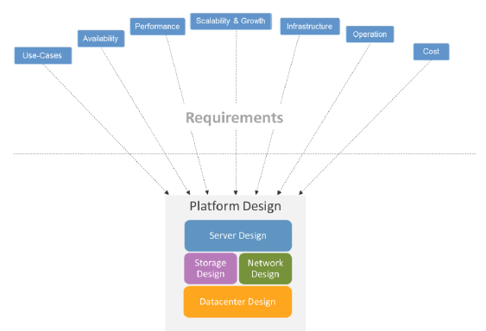
go back
 | Project Requirements
 |  | The purpose of this section is to provide an overview on the project requirements, design assumptions and solution scope. Fields marked with asterisk (*) are mandatory. The requirements analysis is the first step in the solution design process. During this phase, Agfa Pre-Sales determine customer expectations and the scope of a project. For upgrade projects, the information typically gets collected in an Agfa Upgrade Survey based on input resulting from customer discussions as well input from local Agfa Key Account Management and Service Management. For new projects, relevant requirements are extracted from the different RFP documents.
 | Project Information

 | * Customer name
 | * Project name
 | * Project start date
 | * Project duration
 | * Solution Scope [EI, VNA ...]

 | Target SLA

 | Uptime [%]
 | availability level [HW, SW]
 | target sizing
 | expected growth (non organic)
 | Physical DC locations:
 | BCDR (RTO, RPO) :
 | project type: (customer or agfa managed):
 | preferred vendor technology:

 | Inventory

 | 3rd Imaging systems (IMS, VNA…)
 | PAS /ADT vendor / Product name
 | Number of PID domains
 | Order placer / filler system name
 | Multi PID Domains

 | Design requirements

 | requirement 1
 | requirement 2
 | …

DB sizing
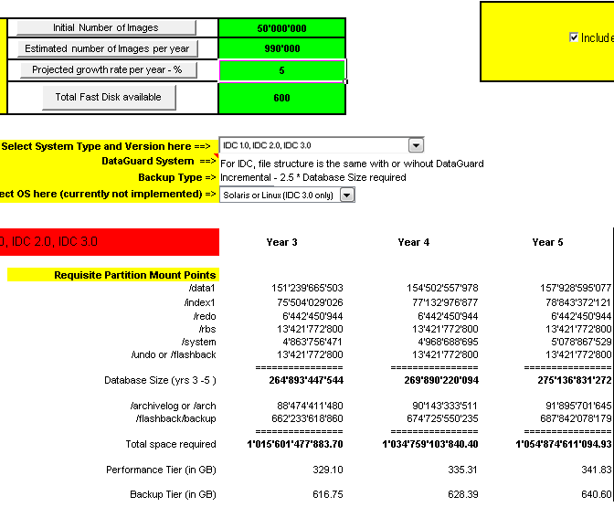

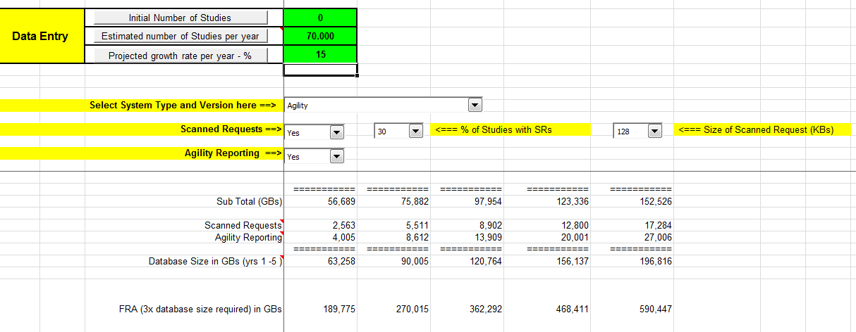

solution synopsis drawing
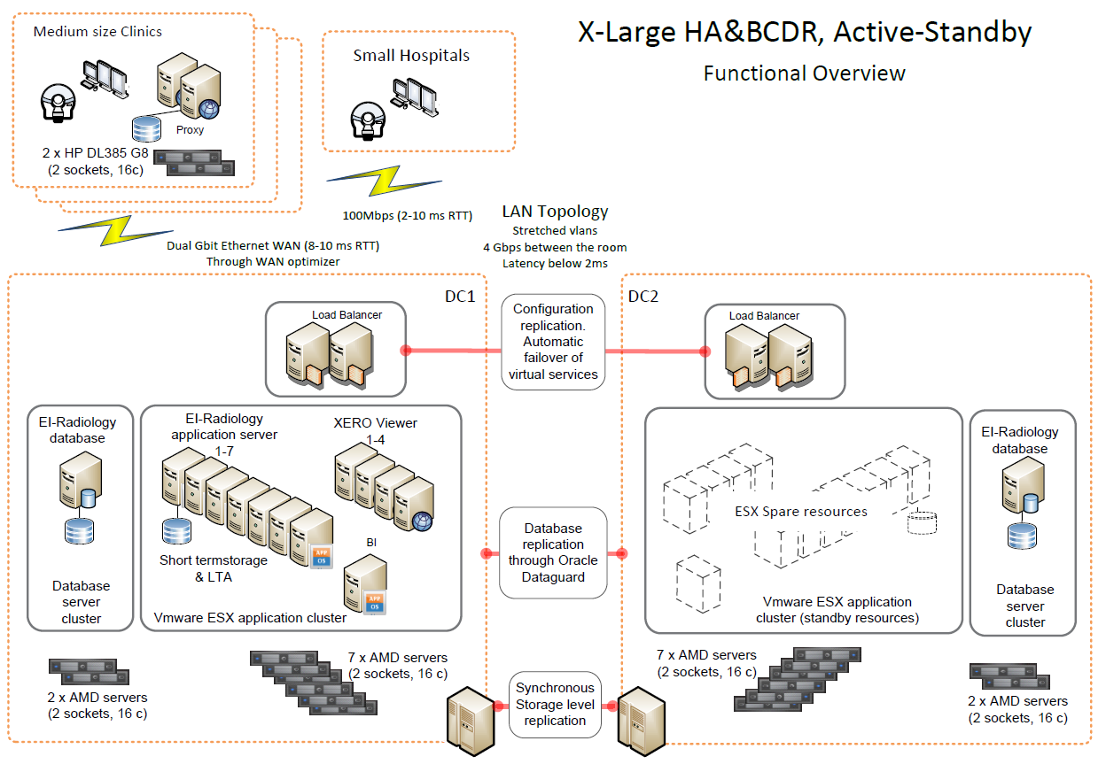
go back
 | Platform Synopsis Drawing

network design
go back
 | Enterprise Imaging - Network Design

 | Production network

STEP 1:
copy & paste screen capture of vLAN, NIC and Uplink designs for DB and Application cluster according to project size from reference Design (LL ID: 48181597)
 | vSphere Cluster | vLAN layout (per vSphere cluster type) | Physical Network Interface cards (# of NICS) | Uplinks to hospital switch (# of ports)
 | Database Cluster | 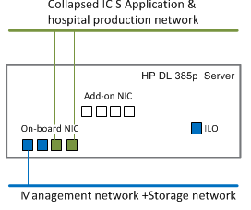 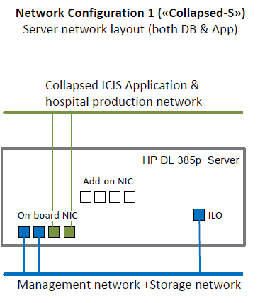 | 2 x onboard NIC 2 x add-on NIC | Gbps: 2 x 4 Gbps 10Gbps: n/a ILO: 2 x 100Mbps
 | Application Cluster | 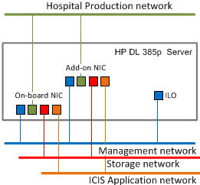 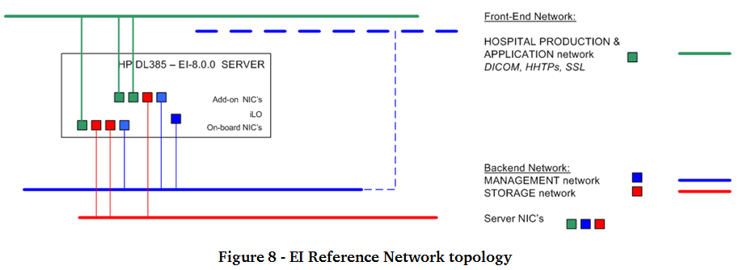 | 2 x onboard NIC 2 x add-on NIC | Gbps: 2 x 8 Gbps 10Gbps: n/a ILO: 2 x 100Mbps
 | Total | Production network Application network Storage network Management network | 4 x onboard NIC 4 x add-on NIC | Gigabit: 2 x 12 Gbps 100 Mbit: 4 x 100 Mbps

 | Test network (optional)
 | vSphere Cluster | vLAN layout (per vSphere cluster type) | Physical Network Interface cards (# of NICS) | Uplinks to hospital switch (# of ports)
 | Test Cluster
 | Total

STEP 2:
Add physical Load balancer netowork sizing here (optional)

STEP 3:
Add physical datamover netowork specification here (optional)

server specs
solution | component | version | type | sizing | platform | HW version | OS_type | OS | other sw | VMFS1_Mnt | VMFS1_GB | VMFS1_Type | VMFS1_Tier | VMFS2_Mnt | VMFS2_GB | VMFS2_Type | VMFS2_Tier | VMFS3_Mnt | VMFS3_GB | VMFS3_Type | VMFS3_Tier | VMFS4_Mnt | VMFS4_GB | VMFS4_Type | VMFS4_Tier | vcpu_Intel | vcpu_AMD | physical CPU | RAM | req_servers | is_lb
AHEI CSP | db | 8.0.0 | db | <30-75K st/y | ESXi | 8 | linux | OL 6.7 64 bit | Oracle 11g (11.2.0.4) 64bit | /root | 90 | VMFS | 1 | /data | UIgetCspDbT1 | VMFS | 1 | /backup | UIgetCspDbT2 | VMFS | 2 | n/a | n/a | n/a | n/a | 2 | 2 |  | 16 | 1 | 0
AHEI CSP | db | 8.0.0 | db | <150K st/y | ESXi | 8 | linux | OL 6.7 64 bit | Oracle 11g (11.2.0.4) 64bit | /root | 90 | VMFS | 1 | /data | UIgetCspDbT1 | VMFS | 1 | /backup | UIgetCspDbT2 | VMFS | 2 | n/a | n/a | n/a | n/a | 4 | 4 |  | 16 | 1 | 0
AHEI CSP | db | 8.0.0 | db | <350K st/y | ESXi | 8 | linux | OL 6.7 64 bit | Oracle 11g (11.2.0.4) 64bit | /root | 90 | VMFS | 1 | /data | UIgetCspDbT1 | VMFS | 1 | /backup | UIgetCspDbT2 | VMFS | 2 | n/a | n/a | n/a | n/a | 4 | 4 |  | 16 | 1 | 0
AHEI CSP | db | 8.0.0 | db | <500K st/y | ESXi | 8 | linux | OL 6.7 64 bit | Oracle 11g (11.2.0.4) 64bit | /root | 90 | VMFS | 1 | /data | UIgetCspDbT1 | VMFS | 1 | /backup | UIgetCspDbT2 | VMFS | 2 | n/a | n/a | n/a | n/a | 6 | 6 |  | 64 | 1 | 0
AHEI CSP | db | 8.0.0 | db | 1 Milj st/y (*1) | phys. | 8 | linux | OL 6.7 64 bit | Oracle 11g (11.2.0.4) 64bit | /root | 100 | EXT | 1 | /data | UIgetCspDbT1 | VMFS | 1 | /backup | UIgetCspDbT2 | VMFS | 2 | /archive | [DPP] | EXT | 1 | 12 | 16 | 12 | 128 | 1 | 0
AHEI CSP Test | db | 8.0.0 | test | one fits all | ESXi | 8 | linux | OL 6.7 64 bit | Oracle 11g (11.2.0.4) 64bit | /root | 90 | EXT | 1 | /data | 400 | VMFS | 1 | /backup | 300 | VMFS | 2 | n/a | n/a | n/a | n/a | 2 | 2 |  | 8 | 1 | 0
AHEI CSP | db | 8.0.0 | db | <30-75K st/y | ESXi | 8 | win | W2012R2 64 bit | Oracle 11g (11.2.0.4) 64bit | OS (C:\) | 120 | VMFS | 1 | DB (E:\) | UIgetCspDbT1 | VMFS | 1 | BACKUP (G:\) | UIgetCspDbT2 | VMFS | 2 | n/a | n/a | n/a | n/a | 2 | 2 |  | 16 | 1 | 0
AHEI CSP | db | 8.0.0 | db | <150K st/y | ESXi | 8 | win | W2012R2 64 bit | Oracle 11g (11.2.0.4) 64bit | OS (C:\) | 120 | VMFS | 1 | DB (E:\) | UIgetCspDbT1 | VMFS | 1 | BACKUP (G:\) | UIgetCspDbT2 | VMFS | 2 | n/a | n/a | n/a | n/a | 4 | 4 |  | 16 | 1 | 0
AHEI CSP | db | 8.0.0 | db | <350K st/y | ESXi | 8 | win | W2012R2 64 bit | Oracle 11g (11.2.0.4) 64bit | OS (C:\) | 120 | VMFS | 1 | DB (E:\) | UIgetCspDbT1 | VMFS | 1 | BACKUP (G:\) | UIgetCspDbT2 | VMFS | 2 | n/a | n/a | n/a | n/a | 4 | 4 |  | 16 | 1 | 0
AHEI CSP | db | 8.0.0 | db | <500K st/y | ESXi | 8 | win | W2012R2 64 bit | Oracle 11g (11.2.0.4) 64bit | OS (C:\) | 120 | VMFS | 1 | DB (E:\) | UIgetCspDbT1 | VMFS | 1 | BACKUP (G:\) | UIgetCspDbT2 | VMFS | 2 | n/a | n/a | n/a | n/a | 6 | 6 |  | 64 | 1 | 0
AHEI CSP | db | 8.0.0 | db | 1 Milj st/y (*1) | phys. | 8 | win | W2012R2 64 bit | Oracle 11g (11.2.0.4) 64bit | OS (C:\) | 120 | NTFS | 1 | DB (E:\) | UIgetCspDbT1 | NTFS | 1 | BACKUP (G:\) | UIgetCspDbT2 | NTFS | 2 | ARCH (F:\) | [DPP] | NTFS | 1 | 12 | 16 | 12 | 128 | 1 | 0
AHEI CSP Test | db | 8.0.0 | test | one fits all | ESXi | 8 | win | W2012R2 64 bit | Oracle 11g (11.2.0.4) 64bit | OS (C:\) | 120 | VMFS | 1 | DB (E:\) | 400 | VMFS | 1 | BACKUP (G:\) | 300 | VMFS | 2 | n/a | n/a | n/a | n/a | 2 | 2 |  | 8 | 1 | 0
AHEI CSP |  | 8.0.0 | app | <75K st/y | ESXi | 8 | win | W2012R2 64 bit | JBOSS - DCM4CHEE2 | OS (C:\) | 120 | VMFS | 1 | CACHE (F:\) | UIgetCspT2 | VMFS | 2 | ARCH (G:\) | UIgetCspT4 | VMFS | 4 | n/a | n/a | n/a | n/a | 2 | 4 |  | 8 | 1 | 1
AHEI CSP |  | 8.0.0 | app | <150K st/y | ESXi | 8 | win | W2012R2 64 bit | JBOSS - DCM4CHEE2 | OS (C:\) | 120 | VMFS | 1 | CACHE (F:\) | UIgetCspT2 | smb2 | 2 | ARCH (G:\) | UIgetCspT4 | smb2 | 4 | n/a | n/a | n/a | n/a | 4 | 6 |  | 20 | 1 | 1
WIP
(will be updated prior to TfS)
AHEI CSP |  | 8.0.0 | app | <350K st/y | ESXi | 8 | win | W2012R2 64 bit | JBOSS - DCM4CHEE2 | OS (C:\) | 120 | VMFS | 1 | CACHE (F:\) | UIgetCspT2 | smb2 | 2 | ARCH (G:\) | UIgetCspT4 | smb2 | 4 | n/a | n/a | n/a | n/a | 4 | 6 |  | 20 | 2 | 1
AHEI CSP |  | 8.0.0 | app | <500K st/y | ESXi | 8 | win | W2012R2 64 bit | JBOSS - DCM4CHEE2 | OS (C:\) | 120 | VMFS | 1 | CACHE (F:\) | UIgetCspT2 | smb2 | 2 | ARCH (G:\) | UIgetCspT4 | smb2 | 4 | n/a | n/a | n/a | n/a | 6 | 8 |  | 20 | 2 | 1
AHEI CSP |  | 8.0.0 | app | 1 Milj st/y | ESXi | 8 | win | W2012R2 64 bit | JBOSS - DCM4CHEE2 | OS (C:\) | 120 | VMFS | 1 | CACHE (F:\) | UIgetCspT2 | smb2 | 2 | ARCH (G:\) | UIgetCspT4 | smb2 | 4 | n/a | n/a | n/a | n/a | 12 | 14 |  | 20 | 4 | 1
AHEI CSP Test |  | 8.0.0 | test | one fits all | ESXi | 8 | win | W2012R2 64 bit | JBOSS - DCM4CHEE2 | OS (C:\) | 100 | VMFS | 1 | CACHE (F:\) |  | VMFS | 2 | n/a | n/a | n/a | n/a | n/a | n/a | n/a | n/a | 2 | 2 |  | 8 | 1 | 0
AHEI CWP |  | 8.0.0 | app | <30-75K st/y | ESXi | 8 | linux | OL 6.7 64 bit | JBOSS - DCM4CHEE2 | /root | 100 | VMFS | 1 | /wado2cache | UIgetCwpWado | VMFS | 2 | n/a | n/a | n/a | n/a | n/a | n/a | n/a | n/a | 2 | 4 |  | 8 | 1 | 1
AHEI CWP |  | 8.0.0 | app | <150K st/y | ESXi | 8 | linux | OL 6.7 64 bit | JBOSS - DCM4CHEE2 | /root | 100 | VMFS | 1 | /wado2cache | UIgetCwpWado | VMFS | 2 | n/a | n/a | n/a | n/a | n/a | n/a | n/a | n/a | 4 | 6 |  | 20 | 1 | 1
AHEI CWP |  | 8.0.0 | app | <500K st/y (100 con. usr.) | ESXi | 8 | linux | OL 6.7 64 bit | JBOSS - DCM4CHEE2 | /root | 100 | VMFS | 1 | /wado2cache | UIgetCwpWado | VMFS | 2 | n/a | n/a | n/a | n/a | n/a | n/a | n/a | n/a | 6 | 8 |  | 20 | 1 | 1
AHEI CWP |  | 8.0.0 | app | <1Mln st/y (200 con. usr.) | ESXi | 8 | linux | OL 6.7 64 bit | JBOSS - DCM4CHEE2 | /root | 100 | VMFS | 1 | /wado2cache | UIgetCwpWado | VMFS | 2 | n/a | n/a | n/a | n/a | n/a | n/a | n/a | n/a | 12 | 14 |  | 20 | 2 | 1
AHEI CWP |  | 8.0.0 | app | <3Mln st/y (600 con. usr.) | ESXi | 8 | linux | OL 6.7 64 bit | JBOSS - DCM4CHEE2 | /root | 100 | VMFS | 1 | /wado2cache | UIgetCwpWado | VMFS | 2 | n/a | n/a | n/a | n/a | n/a | n/a | n/a | n/a | 4 | 6 |  | 20 | 6 | 1
AHEI CWP |  | 8.0.0 | app | <3.5Mln st/y (600 con. usr.) | ESXi | 8 | linux | OL 6.7 64 bit | JBOSS - DCM4CHEE2 | /root | 100 | VMFS | 1 | /wado2cache | UIgetCwpWado | VMFS | 2 | n/a | n/a | n/a | n/a | n/a | n/a | n/a | n/a | 4 | 6 |  | 20 | 7 | 1
AHEI CWP Test |  | 8.0.0 | test | n/a | ESXi | 8 | linux | OL 6.7 64 bit | JBOSS - DCM4CHEE2 | /root | 100 | VMFS | 1 | /wado2cache | UIgetCwpWado | VMFS | 2 | n/a | n/a | n/a | n/a | n/a | n/a | n/a | n/a | 2 | 2 |  | 8 | 1 | 0
AHEI BI |  | 8.0.0 | app | one fits all? | ESXi | 8 | win | W2012R2 64 bit | Oracle 11g + OBI 11.1.1.9 | OS (C:\) | 100 | VMFS | 1 | DB (E:\) | 150 |  | 1 | BACKUP (G:\) | 20 | VMFS | 2 | n/a | n/a | n/a | n/a | 2 | 2 |  | 8 | 1 | 0
AHEI Teaching File |  | 8.0.0 | app | One fits all? | ESXi | 8 | linux | OL 6.7 64 bit | Oracle 11g (11.2.0.4) | /root | 90 | VMFS | 1 | /data | 65 | VMFS | 1 | /dbbackup | 200 | VMFS | 2 | /impax/server_TCE | 750 | VMFS | 2 | 2 | 2 |  | 8 | 1 | 0
AHEI Transfer | db | 8.0.0 | db | <160K st/y | ESXi | 8 | linux | OL 6.7 64 bit | Oracle 11g (11.2.0.4) | VM | 280 | VMFS | 1 | /dbase | 200 | VMFS | 1 | /dbbackup | 200 | VMFS | 2 | n/a | n/a | n/a | n/a | 4 | 4 |  | 8 | 1 | 0
AHEI Transfer | apps | 8.0.0 | app | <160K st/y | ESXi | 8 | linux | OL 6.7 64 bit | JBOSS - DCM4CHEE2 | VM | 280 | VMFS | 1 | n/a | 200 | VMFS | 1 | n/a | n/a | n/a | n/a | /cache | [DPP] | VMFS | 2 | 4 | 4 |  | 8 | 1 | 0
AHEI XERO 3D | Gtwy | 8.0.0 | gtw | 100 sim. Users | ESXi | 8 | linux | OL 6.7 64 bit | putty | /root | 25 | VMFS | 1 | n/a | n/a | n/a | n/a | n/a | n/a | n/a | n/a | n/a | n/a | n/a | n/a | 1 | 1 |  | 2 | 1 | 0
AHEI XERO 3D | RN | 8.0.0 | app | 7 sim. / 2 con. users | ESXi | 8 | linux | OL 6.7 64 bit | putty | /root | 25 | VMFS | 1 | n/a | n/a | n/a | n/a | n/a | n/a | n/a | n/a | n/a | n/a | n/a | n/a | 2 | 2 |  | 8 | 1 | 1
AHEI XERO 3D | RN | 8.0.0 | app | 14 sim. / 5 con. user. | ESXi | 8 | linux | OL 6.7 64 bit | putty | /root | 25 | VMFS | 1 | n/a | n/a | n/a | n/a | n/a | n/a | n/a | n/a | n/a | n/a | n/a | n/a | 4 | 4 |  | 8 | 1 | 1
AHEI Proxy | Proxy | 8.0.0 | app | <25K st/y | ESXi | 8 | win | W2012R2 64 bit | HA-proxy | OS (C:\) | 120 | VMFS | 1 | CACHE (H:\) | 1024 | VMFS | 1 | Data | [DPP] | VMFS | 2 | n/a | n/a | n/a | n/a | 2 | 2 |  | 8 | 1 | 0
AHEI Proxy | Proxy | 8.0.0 | app | <150K st/y | ESXi | 8 | win | W2012R2 64 bit | HA-proxy | OS (C:\) | 120 | VMFS | 1 | CACHE (H:\) | 2049 | VMFS | 1 | Data | [DPP] | VMFS | 2 | n/a | n/a | n/a | n/a | 6 | 8 |  | 32 | 1 | 0
AHEI HA LB |  | 8.0.0 | lb | <30-75K st/y | ESXi | 8 | linux | OL 6.7 64 bit | HA-proxy | /root | 90 | VMFS | 1 | n/a | n/a | n/a | n/a | n/a | n/a | n/a | n/a | n/a | n/a | n/a | n/a | 2 | 2 |  | 8 | 1 | 0
AHEI HA LB |  | 8.0.0 | lb | <150K st/y | ESXi | 8 | linux | OL 6.7 64 bit | HA-proxy | /root | 90 | VMFS | 1 | n/a | n/a | n/a | n/a | n/a | n/a | n/a | n/a | n/a | n/a | n/a | n/a | 2 | 2 |  | 8 | 1 | 0
AHEI HA LB |  | 8.0.0 | lb | <350K st/y | ESXi | 8 | linux | OL 6.7 64 bit | HA-proxy | /root | 90 | VMFS | 1 | n/a | n/a | n/a | n/a | n/a | n/a | n/a | n/a | n/a | n/a | n/a | n/a | 2 | 2 |  | 8 | 1 | 0
AHEI HA LB |  | 8.0.0 | lb | <500K st/y | phys. |  |  | Big IP F5 LTM |  |  | n/a | n/a |  |  |  |  |  |  |  |  |  |  |  |  |  | 2 | 2 |  | 8 | 1 | 0
AHEI HA LB |  | 8.0.0 | lb | <1Mio st/y | phys. |  |  | Big IP F5 LTM |  |  | n/a | n/a |  |  |  |  |  |  |  |  |  |  |  |  |  | 2 | 2 |  | 8 | 1 | 0
AHEI Mini-CSP |  | 8.0.0 | aio | ? | ESXi | 8 | linux | OL 6.7 64 bit | Oracle 11g (11.2.0.4) | /root | 90 | VMFS | 1 | /data | 60 | VMFS | 1 | /backup | [DPP] | VMFS | 2 | /cache | [DPP] | VMFS | 2 | 2 | 2 |  | 8 | 1 | 0
AHEI Service |  | 8.0.0 | app | one fits all | ESXi | 8 | win | W2012R2 64 bit | putty etc. | OS (C:\) | 100 | VMFS | 1 | n/a | n/a | n/a | n/a | n/a | n/a | n/a | n/a | n/a | n/a | n/a | n/a | 1 | 1 |  | 4 | 1 | 0
TeraRecon
AHEI GTI 7.3 |  | 8.0.0 | app | one fits al | ESXi | 8 | linux | OL 6.7 64 bit | based on mini-CSP | \root | 25 | VMFS | 1 | n/a | n/a | n/a | n/a | n/a | n/a | n/a | n/a | n/a | n/a | n/a | n/a | 1 | 1 |  | 1 | 1 | 0
AHEI Hosting AIO |  | 8.0.0 | aio | <25K st/y | ESXi | 8 | win | W2012R2 64 bit | Oracle 11g (11.2.0.4) | OS (C:\) | 100 | VMFS | 1 | DB (E:\) | 300 | VMFS | 1 | BACKUP (G:\) | 750 | VMFS | 2 | CACHE / ARCH (G:\) | [DPP] + Add archive | VMFS | 4 | 4 | 4 |  | 16 | 1 | 0
AHEI VNA | db | 8.0.0 | db | <250K st/y | ESXi | 8 | linux | OL 6.3 (64 bit) | Oracle 11g (11.2.0.4) | \root | 50 | VMFS | 1 | /dbase | UIgetVNADbT1 | VMFS | 1 | /backup | UIgetVnaDbT2 | VMFS | 2 |  |  |  |  | 4 | 2 |  | 6 | 1 | 0
AHEI VNA | db | 8.0.0 | db | <500K st/y | ESXi | 8 | linux | OL 6.3 (64 bit) | Oracle 11g (11.2.0.4) | \root | 50 | VMFS | 1 | /dbase | UIgetVNADbT1 | VMFS | 1 | /backup | UIgetVnaDbT2 | VMFS | 2 |  |  |  |  | 4 | 4 |  | 8 | 1 | 0
AHEI VNA | db | 8.0.0 | db | <1Mln st/y | ESXi | 8 | linux | OL 6.3 (64 bit) | Oracle 11g (11.2.0.4) | \root | 50 | VMFS | 1 | /dbase | UIgetVNADbT1 | VMFS | 1 | /backup | UIgetVnaDbT2 | VMFS | 2 |  |  |  |  | 4 | 4 |  | 8 | 1 | 0
AHEI VNA | db | 8.0.0 | db | >1Mln st/y | ESXi | 8 | linux | OL 6.3 (64 bit) | Oracle 11g (11.2.0.4) | \root | 50 | VMFS | 1 | /dbase | UIgetVNADbT1 | VMFS | 1 | /backup | UIgetVnaDbT2 | VMFS | 2 |  |  |  |  | 6 | 6 |  | 16 | 1 | 0
AHEI VNA | db | 8.0.0 | db | <3,5Mln st/y | ESXi | 8 | linux | OL 6.3 (64 bit) | Oracle 11g (11.2.0.4) | \root | 50 | VMFS | 1 | /dbase | UIgetVNADbT1 | VMFS | 1 | /backup | UIgetVnaDbT2 | VMFS | 2 |  |  |  |  | 12 | 12 |  | 32 | 1 | 0
AHEI VNA | SAS | 8.0.0 | app | <250K st/y | ESXi | 8 | linux | OL 6.3 (64 bit) | JBOSS - DCM4CHEE2 | \root | 50 | VMFS | 1 | /wado2cache | 600 | VMFS | 2 | /online | UIgetVnaT2 | nfs | 2 | /nl_archive | UIgetVnaT4 | nfs | 4 | 2 | 2 |  | 12 | 1 | 1
AHEI VNA | SAS | 8.0.0 | app | <500K st/y | ESXi | 8 | linux | OL 6.3 (64 bit) | JBOSS - DCM4CHEE2 | \root | 50 | VMFS | 1 | /wado2cache | 600 | VMFS | 2 | /online | UIgetVnaT2 | nfs | 2 | /nl_archive | UIgetVnaT4 | nfs | 4 | 2 | 2 |  | 12 | 1 | 1
AHEI VNA | SAS | 8.0.0 | app | <1M st/y | ESXi | 8 | linux | OL 6.3 (64 bit) | JBOSS - DCM4CHEE2 | \root | 50 | VMFS | 1 | /wado2cache | 600 | nfs | 2 | /online | UIgetVnaT2 | nfs | 2 | /nl_archive | UIgetVnaT4 | nfs | 4 | 2 | 2 |  | 12 | 2 | 1
AHEI VNA | SAS | 8.0.0 | app | <3M st/y | ESXi | 8 | linux | OL 6.3 (64 bit) | JBOSS - DCM4CHEE2 | \root | 50 | VMFS | 1 | /wado2cache | 600 | nfs | 2 | /online | UIgetVnaT2 | nfs | 2 | /nl_archive | UIgetVnaT4 | nfs | 4 | 2 | 2 |  | 12 | 3 | 1
AHEI VNA | SAS | 8.0.0 | app | > 4M st/y | ESXi | 8 | linux | OL 6.3 (64 bit) | JBOSS - DCM4CHEE2 | \root | 50 | VMFS | 1 | /wado2cache | 600 | nfs | 2 | /online | UIgetVnaT2 | nfs | 2 | /nl_archive | UIgetVnaT4 | nfs | 4 | 2 | 2 |  | 12 | 4 | 1
AHEI VNA Thin Proxy | SAS | 8.0.0 | app |  | ESXi | 8 | linux | OL 6.3 (64 bit) | JBOSS - DCM4CHEE2 | \root | 80 | VMFS | 1 | /wado2cache | 600 | VMFS | 2 | /online | [DPP] | VMFS |  | n/a | n/a | n/a | n/a | 2 | 2 |  | 4 | 1 | 0
AHEI VNA Arr | SAS | 8.0.0 | app |  | ESXi | 8 | linux | OL 6.3 (64 bit) | JBOSS - DCM4CHEE2 | \root | 80 | VMFS | 1 | /wado2cache | 600 | VMFS | 2 | /online | [DPP] | VMFS |  | n/a | n/a | n/a | n/a | 2 | 2 |  | 4 | 1 | 0
AHEI ILM |  | 8.0.0 | app | <1Mln st/y | ESXi | 8 | linux | OL 6.3 (64 bit) | JBOSS - DCM4CHEE2 | \root | 50 | VMFS | 1 | n/a | n/a | n/a | n/a | n/a | n/a | n/a | n/a | n/a | n/a | n/a | n/a | 4 | 4 |  | 4 | 1 | 0
AHEI VERIFY |  | 8.0.0 | app | ?? | ESXi | 7 | win | W2K8 R2 | Oracle 11g SE (no ODG support) |  | 80 |  |  |  |  |  |  |  |  |  |  |  |  |  |  | 4 | 4 |  | 8 | 1 | 0
AHEI | NFS storage server? | 8.0.0 | stor | up to..?? |  |  |  |  |  |  | 100 |  |  |  |  |  |  |  |  |  |  |  |  |  |  | 2 | 2 |  | 4 | 1 | 0
AHEI CONNECT |  | 8.0.0 | con |  | ESXi | 7 | linux | OL 6.3 64-bit |  | \root | 40 | VMFS | 1 | \data | 400 | n/a | n/a | n/a | n/a | n/a | n/a | n/a | n/a | n/a | n/a | 4 | 4 |  | 8 | 1 | 0
vSphere vCenter |  | 5.5 | util |  | ESXi |  |  | Cent OS | none |  | 140 |  |  |  |  |  |  |  |  |  |  |  |  |  |  |  |  |  |  | 1 | 0
vSphere SRM |  | 5.x | util | one fits all | ESXi |  |  | W2K12R2 64 bit | none | OS (C:\) | 140 | VMFS | 1 |  |  |  |  |  |  |  |  |  |  |  |  | 2 | 2 |  | 8 | 1 | 0
vSphere vMA |  |  | util | one fits all | ESXi |  |  | CentOS | none |  | 10 |  |  |  |  |  |  |  |  |  |  |  |  |  |  | 1 | 1 |  | 0.5 | 1 | 0
vSphere vSOM UI | 5.8 UI |  | util | one fits all | ESXi |  |  | CentOS | version 5.8 |  | 140 |  |  |  |  |  |  |  |  |  |  |  |  |  |  | 2 | 2 |  | 7 | 1 | 0
vSphere vSOM An | vSOM 5.8 Anal. |  | util | one fits all | ESXi |  |  | CentOS | version 5.8 |  | 160 |  |  |  |  |  |  |  |  |  |  |  |  |  |  | 2 | 2 |  | 9 | 1 | 0
vSphere vDP | vDP | 5.5 | util | one fits all | ESXi |  |  | Win2008R2 64 bit | none |  | 50 |  |  |  |  |  |  |  |  |  |  |  |  |  |  | 1 | 1 |  | 2 | 1 | 0
ICIS | NFS storage | 2014.1 | stor |  |  |  |  |  |  |  |  |  |  |  |  |  |  |  |  |  |  |  |  |  |  |  |  |  |  | 1 | 0
AMT | Agfa Migration tool |  | mig | Small | ESXi |  |  | Win2008R2 64 bit |  |  | 300 |  |  |  |  |  |  |  |  |  |  |  |  |  |  | 2 | 2 |  | 4 | 1 | 0
AMT | Agfa Migration tool |  | mig | Large | ESXi |  |  | Win2008R2 64 bit |  |  | 300 |  |  |  |  |  |  |  |  |  |  |  |  |  |  | 2 | 2 |  | 8 | 1 | 0
AHEI Monarch |  | 8.0.0 | mig | Medium | ESXi |  |  | Win2008R2 64 bit |  |  | 140 |  |  |  |  |  |  |  |  |  |  |  |  |  |  | 2 | 2 |  | 6 | 1 | 0
AHEI Monarch |  | 8.0.0 | mig | Large | ESXi |  |  | Win2008R2 64 bit |  |  | 240 |  |  |  |  |  |  |  |  |  |  |  |  |  |  | 2 | 2 |  | 6 | 1 | 0
AHEI Monarch |  | 8.0.0 | mig |  | phys. |  |  | Solaris 10 |  |  |  |  |  |  |  |  |  |  |  |  |  |  |  |  |  |  |  |  |  | 1 | 0
IMPAX PACS | IOCM server IMPAX |  | iocm |  | ESXi |  |  | Win2008R2 64 bit |  |  | 100 |  |  |  |  |  |  |  |  |  |  |  |  |  |  | 2 | 2 |  | 8 | 1 | 0
IMPAX CM | CM | 2.4.1 | con | S-M | ESXi | 7 |  | Win2008 64 bit |  |  | 100 |  |  |  |  |  |  |  |  |  |  |  |  |  |  | 2 | 2 |  | 8 | 1 | 0
IMPAX CM | CM | 2.4.1 | con | L | ESXi | 7 |  | Win2008 64 bit |  |  | 100 |  |  |  |  |  |  |  |  |  |  |  |  |  |  | 4 | 4 |  | 8 | 1 | 0
IMPAX PACS | Application Server | 6.6 | app | S-M-L | ESXi | 7 |  | Win2008 64 bit |  |  | 100 |  |  |  |  |  |  |  |  |  |  |  |  |  |  | 2 | 2 |  | 4 | 1 | 1
IMPAX PACS | Database | 6.6 | db | S-M | ESXi | 7 |  | Win2008 64 bit |  |  | 100 |  |  |  |  |  |  |  |  |  |  |  |  |  |  | 2 | 2 |  | 8 | 1 | 0
IMPAX PACS | Database | 6.6 | db | L | ESXi | 7 |  | Win2008 64 bit |  |  | 100 |  |  |  |  |  |  |  |  |  |  |  |  |  |  | 4 | 4 |  | 16 | 1 | 0
IMPAX PACS | WFM | 6.6 | wfm | <100K | ESXi | 7 |  | Win2008 64 bit |  |  | 100 |  |  |  |  |  |  |  |  |  |  |  |  |  |  | 2 | 2 |  | 4 | 1 | 1
IMPAX PACS | WFM | 6.6 | wfm | <200K | ESXi | 7 |  | Win2008 64 bit |  |  | 100 |  |  |  |  |  |  |  |  |  |  |  |  |  |  | 2 | 2 |  | 4 | 2 | 1
IMPAX PACS | WFM | 6.6 | wfm | <300K | ESXi | 7 |  | Win2008 64 bit |  |  | 100 |  |  |  |  |  |  |  |  |  |  |  |  |  |  | 2 | 2 |  | 4 | 3 | 1
IMPAX PACS | WFM/AS | 6.6 | wfm | S-M | ESXi | 7 |  | Win2008 64 bit |  |  | 100 |  |  |  |  |  |  |  |  |  |  |  |  |  |  | 2 | 2 |  | 4 | 1 | 0
IMPAX PACS | WFM/AS | 6.6 | wfm | L | ESXi | 7 |  | Win2008 64 bit |  |  | 100 |  |  |  |  |  |  |  |  |  |  |  |  |  |  | 4 | 4 |  | 4 | 1 | 0
IMPAX PACS | curator | 6.6 | cur | S-M | ESXi | 7 |  | Win2008 64 bit |  |  | 100 |  |  |  |  |  |  |  |  |  |  |  |  |  |  | 2 | 2 |  | 4 | 1 | 1
IMPAX PACS | curator | 6.6 | cur | L | ESXi | 7 |  | Win2008 64 bit |  |  | 100 |  |  |  |  |  |  |  |  |  |  |  |  |  |  | 4 | 4 |  | 4 | 1 | 1
IMPAX PACS | Audit Manager | 6.6 | am | S-M-L | ESXi | 7 |  | Win2008 64 bit |  |  | 100 |  |  |  |  |  |  |  |  |  |  |  |  |  |  | 2 | 2 |  | 4 | 1 | 0
IMPAX PACS | database | 6.6 | db | X-small (>15mil img/ 150J ex./yr) | T5-2 |  |  | Solaris 10 |  |  |  |  |  |  |  |  |  |  |  |  |  |  |  |  |  |  | 1 core |  | 16 | 1 | 0
IMPAX PACS | database | 6.6 | db | small (>30mil img/ 350J ex./yr) | T5-2 |  |  | Solaris 10 |  |  |  |  |  |  |  |  |  |  |  |  |  |  |  |  |  |  | 2 cores |  | 32 | 1 | 0
IMPAX RIS | database | 6.1 | db | S | ESXi | 7 |  | Win2008R2 64 bit |  |  | 100 |  |  |  |  |  |  |  |  |  |  |  |  |  |  | 2 | 2 |  | 4 | 1 | 0
IMPAX RIS | database | 6.1 | db | M | ESXi | 7 |  | Win2008R2 64 bit |  |  | 100 |  |  |  |  |  |  |  |  |  |  |  |  |  |  | 4 | 4 |  | 8 | 1 | 0
IMPAX RIS | database | 6.1 | db | L | ESXi | 7 |  | Win2008R2 64 bit |  |  | 100 |  |  |  |  |  |  |  |  |  |  |  |  |  |  | 8 | 8 |  | 16 | 1 | 0
IMPAX RIS | Interface | 6.1 | con | S | ESXi | 7 |  | Win2008R2 64 bit |  |  | 100 |  |  |  |  |  |  |  |  |  |  |  |  |  |  | 2 | 2 |  | 4 | 1 | 1
IMPAX RIS | Interface | 6.1 | con | M | ESXi | 7 |  | Win2008R2 64 bit |  |  | 100 |  |  |  |  |  |  |  |  |  |  |  |  |  |  | 2 | 2 |  | 4 | 2 | 1
IMPAX RIS | Interface | 6.1 | con | L | ESXi | 7 |  | Win2008R2 64 bit |  |  | 100 |  |  |  |  |  |  |  |  |  |  |  |  |  |  | 2 | 2 |  | 4 | 3 | 1
IMPAX RIS | Interface | 6.1 | con | XL | ESXi | 7 |  | Win2008R2 64 bit |  |  | 100 |  |  |  |  |  |  |  |  |  |  |  |  |  |  | 2 | 2 |  | 4 | 4 | 1
IMPAX RIS | Iplan Scheduling | 6.1 | sche |  | ESXi | 7 |  | Win2008R2 64 bit |  |  | 100 |  |  |  |  |  |  |  |  |  |  |  |  |  |  | 2 | 2 |  | 4 | 1 | 0
IMPAX RIS | OMS | 6.1 | OMS |  | ESXi | 7 |  | Win2008R2 64 bit |  |  | 100 |  |  |  |  |  |  |  |  |  |  |  |  |  |  | 2 | 2 |  | 4 | 1 | 0
IMPAX RIS | Mediweb | 6.1 | web |  | ESXi | 7 |  | Win2008R2 64 bit |  |  | 100 |  |  |  |  |  |  |  |  |  |  |  |  |  |  | 2 | 2 |  | 4 | 1 | 0
IMPAX RIS | Speech | 6.1 | speech |  | ESXi | 7 |  | Win2008R2 64 bit |  |  | 100 |  |  |  |  |  |  |  |  |  |  |  |  |  |  | 2 | 2 |  | 4 | 1 | 0
 |  |  |  |  |  |  |  |  |  |  |  |  |  |  |  |  |  |  |  |  |  |  |  |  |  |  |  |  |  |  | 0

